Results
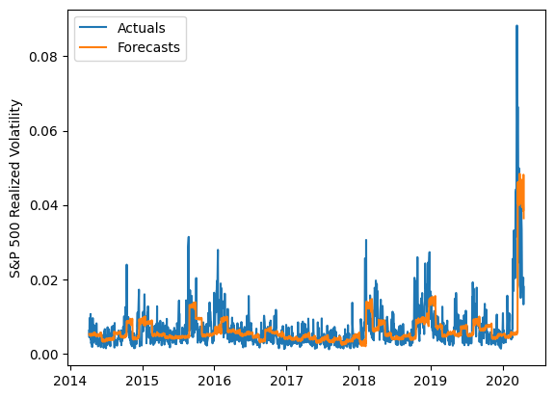
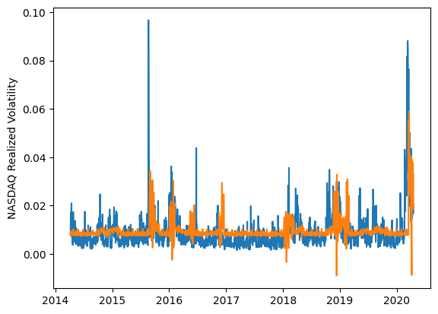
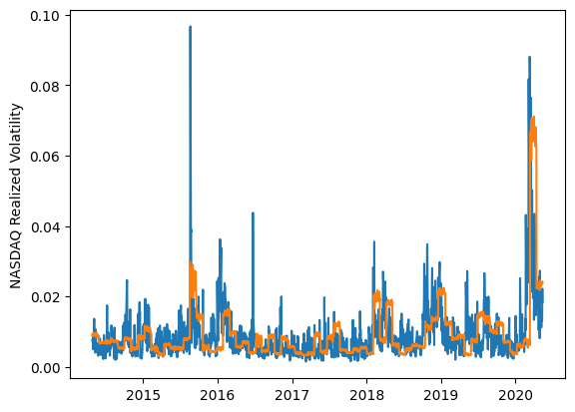
 | LSTM |  |  | TCN |  |  | NBEATSx |  |  |  |  | LSTM |  |  | TCN |  |  | NBEATSx
 | Accuracy | RMSE | Qlike | Accuracy | RMSE | Qlike | Accuracy | RMSE | Qlike |  |  | Accuracy | RMSE | Qlike | Accuracy | RMSE | Qlike | Accuracy | RMSE | Qlike
Trial 1 | 49.26% | 0.478% | 0.200 | 37.07% | 0.435% | 0.228 | 44.36% | 0.468% | 0.243 |  | Mean | 42.36% | 0.488% | 0.208 | 32.95% | 0.463% | 0.247 | 45.61% | 0.461% | 0.240
Trial 2 | 40.93% | 0.484% | 0.275 | 22.69% | 0.515% | 0.300 | 45.01% | 0.462% | 0.236 |  | Standard Deviation | 7.58% | 0.056% | 0.026 | 5.11% | 0.024% | 0.023 | 1.14% | 0.007% | 0.008
Trial 3 | 47.85% | 0.447% | 0.195 | 39.76% | 0.437% | 0.215 | 43.35% | 0.476% | 0.245 |  | 95% CI upper bound | 57.51% | 0.600% | 0.260 | 43.17% | 0.511% | 0.293 | 47.88% | 0.475% | 0.255
Trial 4 | 40.98% | 0.454% | 0.187 | 34.06% | 0.448% | 0.249 | 46.40% | 0.453% | 0.233 |  | 95% CI lower bound | 27.21% | 0.376% | 0.156 | 22.74% | 0.414% | 0.201 | 43.34% | 0.446% | 0.224
Trial 5 | 38.78% | 0.481% | 0.187 | 24.34% | 0.511% | 0.282 | 45.02% | 0.460% | 0.244 |  | 99.7% CI upper bound | 65.09% | 0.656% | 0.286 | 48.28% | 0.536% | 0.316 | 49.01% | 0.483% | 0.263
Trial 6 | 47.99% | 0.458% | 0.225 | 31.89% | 0.475% | 0.252 | 46.02% | 0.455% | 0.233 |  | 99.7% CI lower bound | 19.63% | 0.320% | 0.130 | 17.63% | 0.390% | 0.178 | 42.20% | 0.439% | 0.216
Trial 7 | 46.65% | 0.492% | 0.190 | 31.13% | 0.470% | 0.255 | 46.95% | 0.450% | 0.227
Trial 8 | 46.00% | 0.459% | 0.211 | 30.00% | 0.472% | 0.258 | 46.65% | 0.458% | 0.249
Trial 9 | 41.99% | 0.459% | 0.244 | 37.14% | 0.450% | 0.231 | 44.77% | 0.468% | 0.243
Trial 10 | 50.20% | 0.469% | 0.228 | 40.48% | 0.443% | 0.219 | 44.39% | 0.469% | 0.241
Trial 11 | 47.99% | 0.491% | 0.191 | 31.58% | 0.462% | 0.248 | 47.15% | 0.456% | 0.243
Trial 12 | 39.65% | 0.527% | 0.193 | 34.09% | 0.462% | 0.239 | 47.02% | 0.450% | 0.226
Trial 13 | 31.14% | 0.678% | 0.194 | 37.83% | 0.436% | 0.223 | 46.13% | 0.463% | 0.253
Trial 14 | 21.96% | 0.474% | 0.218 | 31.47% | 0.458% | 0.251 | 45.66% | 0.461% | 0.245
Trial 15 | 44.00% | 0.470% | 0.182 | 30.79% | 0.466% | 0.258 | 45.22% | 0.461% | 0.233

 | LSTM (best trial) |  |  |  |  |  |  |  |  | TCN (best trial) |  |  |  |  |  |  |  |  | NBEATSx (best trial)

